테이블 합치기 - 참고
topic |  |  |  |  | author |  |  |  |  | profile
tid | title | description | author_id |  | aid | name | city | profile_id |  | pid | title | description
1 | HTML | HTML is … | 1 |  | 1 | egoing | seoul | 1 |  | 1 | developer | developer is …
2 | CSS | CSS is … | 2 |  | 2 | leezche | jeju | 2 |  | 2 | designer | designer is …
3 | Database | Database is .. | 1 |  | 3 | blackdew | namhae | 3 |  | 3 | DBA | DBA is ..
4 | Oracle | Oracle is … | NULL

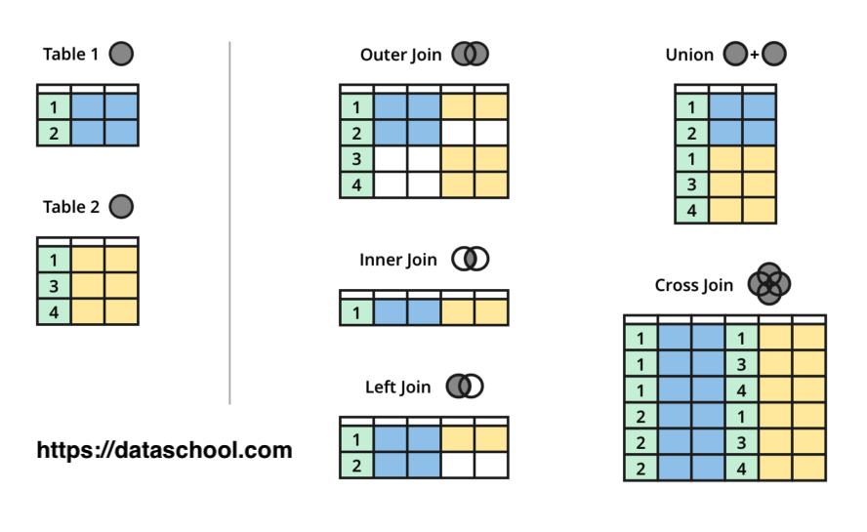
LEFT OUTER JOIN
SELECT * FROM topic
tid | title | description | author_id
1 | HTML | HTML is … | 1
2 | CSS | CSS is … | 2
3 | Database | Database is .. | 1
4 | Oracle | Oracle is … | NULL

SELECT * FROM topic LEFT JOIN author ON topic.author_id = author.aid
tid | title | description | author_id | aid | name | city | profile_id
1 | HTML | HTML is … | 1 | 1 | egoing | seoul | 1
2 | CSS | CSS is … | 2 | 2 | leezche | jeju | 2
3 | Database | Database is .. | 1 | 1 | egoing | seoul | 1
4 | Oracle | Oracle is … | NULL | NULL | NULL | NULL | NULL

SELECT * FROM topic LEFT JOIN author ON topic.author_id = author.aid LEFT JOIN profile ON author.profile_id = profile.pid;
tid | title | desc | author_id | aid | name | city | profile_id | pid | title | description
1 | HTML | HTML is … | 1 | 1 | egoing | seoul | 1 | 1 | developer | developer is …
2 | CSS | CSS is … | 2 | 2 | leezche | jeju | 2 | 2 | designer | designer is …
3 | Database | Database is .. | 1 | 1 | egoing | seoul | 1 | 1 | developer | developer is …
4 | Oracle | Oracle is … | 3 | NULL | NULL | NULL | NULL | NULL | NULLL | NULL

SELECT tid, topic.title, author_id, name, profile.title AS job_title FROM topic LEFT JOIN author ON topic.author_id = author.aid LEFT JOIN profile ON author.profile_id = profile.pid;
tid | title | name | aid | job_title
1 | HTML | egoing | 1 | developer
2 | CSS | leezche | 2 | designer
3 | Database | egoing | 1 | developer
4 | Oracle | NULL | 3 | NULLL

SELECT tid, topic.title, author_id, name, profile.title AS job_title FROM topic LEFT JOIN author ON topic.author_id = author.aid LEFT JOIN profile ON author.profile_id = profile.pid WHERE aid = 1;
tid | title | name | aid | job_title
1 | HTML | egoing | 1 | developer
3 | Database | egoing | 1 | developer
INNER OUTER JOIN
SELECT * FROM topic INNER JOIN author ON topic.author_id = author.aid
tid | title | description | author_id | aid | name | city | profile_id
1 | HTML | HTML is … | 1 | 1 | egoing | seoul | 1
2 | CSS | CSS is … | 2 | 2 | leezche | jeju | 2
3 | Database | Database is .. | 1 | 1 | egoing | seoul | 1

SELECT * FROM topic INNER JOIN author ON topic.author_id = author.id INNER JOIN profile ON profile.pid = author.profile_id
tid | title | description | author_id | aid | name | city | profile_id | pid | title | description
1 | HTML | HTML is … | 1 | 1 | egoing | seoul | 1 | 1 | developer | developer is …
2 | CSS | CSS is … | 2 | 2 | leezche | jeju | 2 | 2 | designer | designer is …
3 | Database | Database is .. | 1 | 1 | egoing | seoul | 1 | 1 | developer | developer is …
FULL OUTER JOIN
SELECT * FROM topic FULL OUTER JOIN author ON topic.author_id = author.id
(SELECT * FROM topic LEFT JOIN author ON topic.author_id = author.id) UNION (SELECT * FROM topic RIGHT JOIN author ON topic.author_id = author.id)
tid | title | description | author_id | aid | name | city | profile_id
1 | HTML | HTML is … | 1 | 1 | egoing | seoul | 1
2 | CSS | CSS is … | 2 | 2 | leezche | jeju | 2
3 | Database | Database is .. | 1 | 1 |  | seoul | 1
4 | Oracle | Oracle is … | NULL
 |  |  |  | 3 | blackdew | namhae | 3
EXCLUSIVE LEFT JOIN
SELECT * FROM topic LEFT JOIN author ON topic.author_id = author.aid WHERE author.aid is NULL
tid | title | description | author_id | aid | name | city | profile_id
1 | HTML | HTML is … | 1
2 | CSS | CSS is … | 2
3 | Database | Database is .. | 1
4 | Oracle | Oracle is … | NULL

테이블 합치기 - 실습
topic |  |  |  |  | author |  |  |  |  | profile
tid | title | description | author_id |  | aid | name | city | profile_id |  | pid | title | description
1 | HTML | HTML is … | 1 |  | 1 | egoing | seoul | 1 |  | 1 | developer | developer is …
2 | CSS | CSS is … | 2 |  | 2 | leezche | jeju | 2 |  | 2 | designer | designer is …
3 | Database | Database is .. | 1 |  | 3 | blackdew | namhae | 3 |  | 3 | DBA | DBA is ..
4 | Oracle | Oracle is … | NULL

LEFT OUTER JOIN |  |  |  |  | 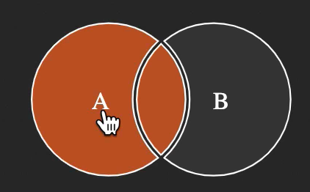
SELECT * FROM topic;

topic
tid | title | description | author_id
1 | HTML | HTML is … | 1
2 | CSS | CSS is … | 2
3 | Database | Database is .. | 1
4 | Oracle | Oracle is … | NULL

SELECT * FROM topic LEFT JOIN author ON topic.author_id = author.aid;

tid | title | description | author_id | aid | name | city | profile_id
1 | HTML | HTML is … | 1 | 1 | egoing | seoul | 1
2 | CSS | CSS is … | 2 | 2 | leezche | jeju | 2
3 | Database | Database is .. | 1 | 1 | egoing | seoul | 1
4 | Oracle | Oracle is … | NULL | NULL | NULL | NULL | NULL

SELECT * FROM topic LEFT JOIN author ON topic_author_id = author.aid LEFT JOIN profile ON author.profile_id = profile.pid;

tid | title | description | author_id | aid | name | city | profile_id | pid | title | description
1 | HTML | HTML is … | 1 | 1 | egoing | seoul | 1 | 1 | developer | developer is …
2 | CSS | CSS is … | 2 | 2 | leezche | jeju | 2 | 2 | designer | designer is …
3 | Database | Database is .. | 1 | 1 | egoing | seoul | 1 | 1 | developer | developer is …
4 | Oracle | Oracle is … | NULL | NULL | NULL | NULL | NULL | NULL | NULL | NULL

SELECT tid, topic.title, author_id, name, profile.title AS job_title FROM topic LEFT JOIN author ON topic.author_id = author.aid LEFT JOIN profile ON author.profile_id = profile.pid;

tid | title | author_id | name | job_title
1 | HTML | 1 | egoing | developer
2 | CSS | 2 | leezche | designer
3 | Database | 1 | egoing | developer
4 | Oracle | NULL | NULL | NULL

SELECT tid, topic.title, author_id, name, profile.title AS job_title FROM topic LEFT JOIN author ON topic.author_id = author.aid LEFT JOIN profile ON author.profile_id = profile.pid where aid = 1;

tid | title | author_id | name | job_title
1 | HTML | 1 | egoing | developer
3 | Database | 1 | egoing | developer

INNER JOIN |  |  |  | 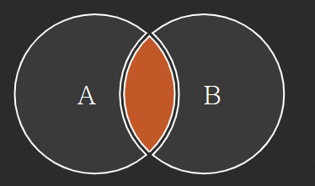

SELECT * FROM topic INNER JOIN author ON topic.author_id = author.aid

tid | title | description | author_id | aid | name | city | profile_id
1 | HTML | HTML is … | 1 | 1 | egoing | seoul | 1
2 | CSS | CSS is … | 2 | 2 | leezche | jeju | 2
3 | Database | Database is .. | 1 | 1 | egoing | seoul | 1

SELECT * FROM topic INNER JOIN author ON topic.author_id=author.aid INNER JOIN profile ON profile.pid=author.profile_id;

tid | title | description | author_id | aid | name | city | profile_id | pid | title | description
1 | HTML | HTML is … | 1 | 1 | egoing | seoul | 1 | 1 | developer | developer is …
2 | CSS | CSS is … | 2 | 2 | leezche | jeju | 2 | 2 | designer | designer is …
3 | Database | Database is .. | 1 | 1 | egoing | seoul | 1 | 1 | developer | developer is …

FULL OUTER JOIN

SELECT * FROM topic FULL OUTER JOIN author ON topic.author_id=author.aid
(SELECT * FROM topic LEFT JOIN author ON topic.author_id = author.id) UNION (SELECT * FROM topic RIGHT JOIN author ON topic.author_id = author.id)
tid | title | description | author_id | aid | name | city | profile_id
1 | HTML | HTML is … | 1 | 1 | egoing | seoul | 1
2 | CSS | CSS is … | 2 | 2 | leezche | jeju | 2
3 | Database | Database is .. | 1 | 1 | egoing | seoul | 1
4 | Oracle | Oracle is … | NULL | NULL | NULL | NULL | NULL
NULL | NULL | NULL | NULL | 3 | blackdew | namhae | 3

EXCLUSIVE LEFT JOIN

SELECT * FROM topic EXCLUSIVE LEFT JOIN topic ON topic.author_id=author.aid where author.aid is NULL;
tid | title | description | author_id | aid | name | city | profile_id
4 | Oracle | Oracle is … | NULL | NULL | NULL | NULL | NULL

